PURO-1
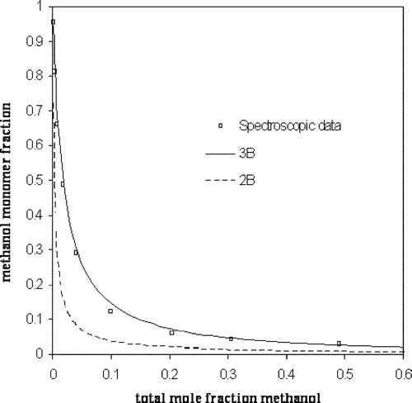
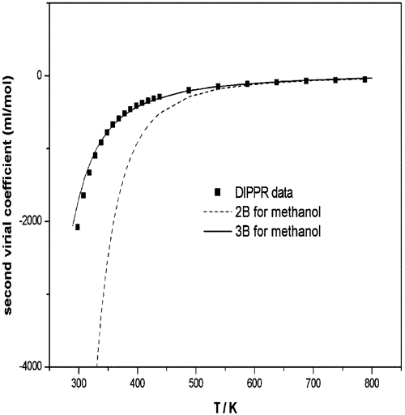
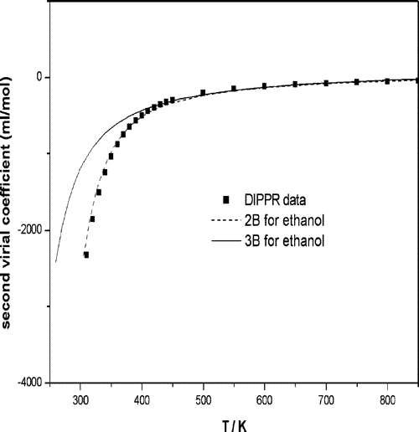

Figure 2 Experimental and predicted monomer fractions at 20 °C for methanol−CCl4 using the cubic-plus-association equation of state (CPA EoS). Experimental digitized data from Prausnitz et al.49 | Figure 3 Prediction of second virial coefficients for methanol using CPA and two different association schemes. Experimental data from DIPPR.47 |  |  |  |  | Figure 4 Prediction of second virial coefficients for ethanol using CPA and two different association schemes. Experimental data from DIPPR.47

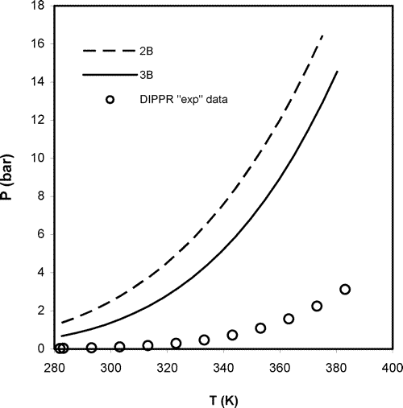
 | Ten Years with the CPA (Cubic-Plus-Association) Equation of State. Part 1. Pure Compounds and Self-Associating Systems

 |  |  |  |  | 5

Figure 13 Performance of the physical term of CPA (i.e., repulsive and attractive term from the SRK part) in the calculation of the vapor pressure of pure ethanol, using the 2B association scheme (pure component parameters presented in Table 4) or the 3B association scheme (pure component parameters presented in Table 6).

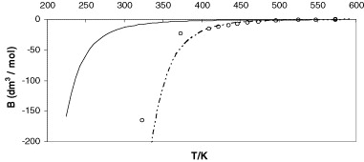

 | Application of the CPA equation of state to organic acids

Prediction of the second virial coefficient (B) for acetic acid employing the 1A (dashed line) and the 2B (solid line) association models. The circles are experimental data derived from PVT data from Bich et al. [17] and Elliott and Lira [19]. | Table 4.

 | Estimation of thermodynamic properties (enthalpy and entropy of dimerisation) and the equilibrium dimerisation constant at 325 K for pure carboxylic acid dimers with CPA compared to experimental data

 |  | Formic acid | Acetic acid | Propionic acid
 | −ΔH (exp.) (K) | 6993–7131a, 7453 ± 252b | 6949–8266a, 7352 ± 252b | 7080c, 7503 ± 302b
 | −ΔS/R (exp.) | 17.8–18.1a, 18.2 ± 1b | 16.6–20.5a, 17.4 ± 1b | 16.7c, 18.5 ± 1.3b
 | K2 (exp.) | 126b | 167.6b | 88.8b
 | −ΔH (1A) (K) | 7478 | 5463 | 5223
 | −ΔS/R (1A) | 18.0 | 13.6 | 13.5
 | K2 (1A) | 149.8 | 103.5 | 51.9
 | −ΔH (2B) (K) | 2283 | 2631 | 3092
 | −ΔS/R (2B) | 8.5 | 9.4 | 10.0
 | K2 (2B) | 0.23 | 0.50 | 1.3

PURO-2
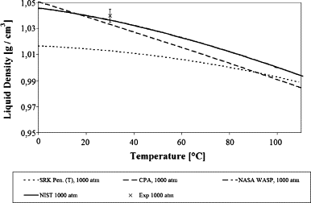
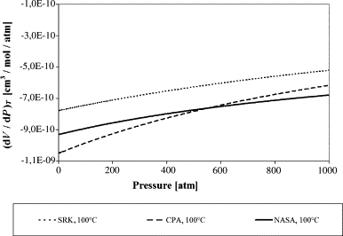
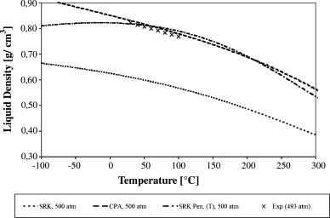

Fig. 1. Liquid density plot for water at P = 1000 atm. SRK calculations are in the range from 0.769 to 0.711 g/cm3 and not shown. Points (×) mark experimental data used to verify the accuracy of WASP and NIST correlations. |  |  |  |  |  |  |  | Fig. 3. The derivative (∂V/∂P)T for water at T = 100 °C in the pressure range of 0–1000 atm. The Peneloux correction does not affect this property. |  |  |  |  | Fig. 4. Liquid density for methanol at P = 500 atm. Points (×) mark experimental data [19].

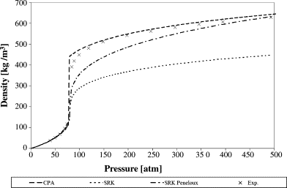
 |  |  |  |  |  |  |  |  | Comparison of the SRK and CPA equations of state for physical properties of water and methanol

Fig. 5. The density for methanol at 513 K against pressure. Points (×) mark experimental data from Ref. [21]. The average percentage deviation over the whole pressure range is 24% for SRK, 8.9% for SRK-Peneloux and 3.4% for CPA. At 540 K, the deviations are 22.4% (SRK), 10.1% (SRK-Peneloux) and 5.4% (CPA).

Table 2.

Densities for water

Temperature (K) | Pressure (atm) | Density (kg m−3) |  |  |  |  |  | Density % deviation

 |  | Exp. | WASP | NIST | SRK | Pen. | CPA | WASP | NIST | SRK | Pen. | CPA
273 | 0.97 | 1000 | 999.8 | 999.8 | 769 | 1003 | 1022 | 0.02 | −0.02 | −23 | 0.30 | 2.20
273 | 238 | 1010 | 1012 | 1011.7 | 771 | 1006 | 1030 | 0.20 | 0.17 | −24 | −0.40 | 1.98
273 | 825 | 1040 | 1039 | 1038.5 | 776 | 1015 | 1047 | −0.14 | −0.14 | −25 | −2.40 | 0.67
273 | 1615 | 1070 | 1046 | 1069.5 | 781 | 1024 | – | −2.24 | −0.05 | −27 | −4.30 | –
283.3 | 0.97 | 1000 | 1000 | 999.7 | 764 | 1000 | 1015 | 0.00 | −0.03 | −24 | 0.00 | 1.50
283.3 | 504 | 1020 | 1023 | 1022.8 | 769 | 1009 | 1032 | 0.29 | 0.27 | −25 | −1.08 | 1.18
283.3 | 1846 | 1070 | 1046 | 1073.8 | 779 | 1026 | – | −2.24 | 0.36 | −27 | −4.11 | –
303 | 0.97 | 1000 | 996 | 995.7 | 754 | 995 | 1002 | −0.40 | −0.43 | −25 | −0.50 | 0.20
303 | 221 | 1000 | 1005 | 1005.4 | 756 | 999 | 1010 | 0.50 | 0.54 | −24 | −0.10 | 1.00
303 | 984 | 1040 | 1036 | 1036.0 | 764 | 1013 | 1033 | −0.38 | −0.38 | −27 | −2.6

PUROS-3-LI
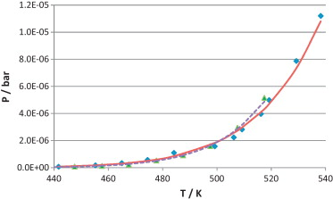
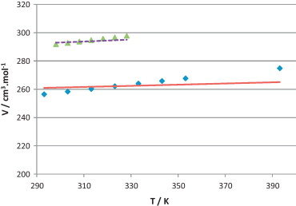

Fig. 2. Experimental [133] and [134] and calculated vapour pressures of ionic liquids [C2mim][NTf2] – set #1 and [C4mim][NTf2] – set #8. ♦, [C2mim][NTf2] experimental; ▴, [C4mim][NTf2] experimental; ——, [C2mim][NTf2] calculated; ……, [C4mim][NTf2] calculated. | Fig. 3. Experimental [135] and [136] and calculated liquid density at 1 bar for ionic liquids [C2mim][NTf2] – set #1 and [C4mim][NTf2] – set #8. ♦, [C2mim][NTf2] experimental; ▴, [C4mim][NTf2] experimental; ——, [C2mim][NTf2] calculated; ……, [C4mim][NTf2] calculated.

 | Equation of state modelling of systems with ionic liquids: Literature review and application with the Cubic Plus Association (CPA) model

PUROS-4
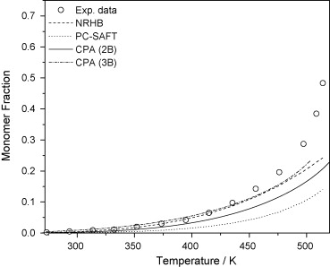
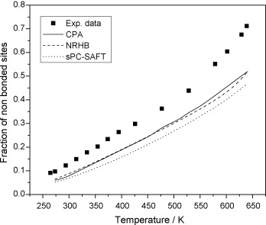
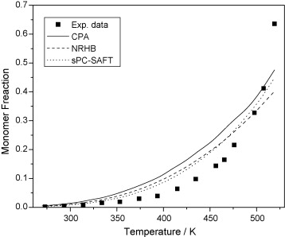

Fig. 3. Experimental data [1] and modeling with CPA, sPC-SAFT and NRHB of the fraction of free sites as a function of temperature for water. The 4C scheme is used for water with all models. | Fig. 4. Monomer fraction for methanol with three association theories. Experimental data [1] (points), NRHB, CPA and sPC-SAFT predictions (lines). | Fig. 5. Monomer fraction for ethanol with three association theories. Experimental data [1] (points), NRHB, CPA and sPC-SAFT predictions (lines).

 | Use of monomer fraction data in the parametrization of association theories
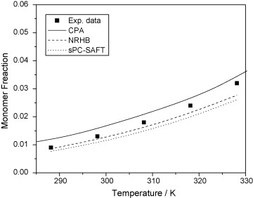
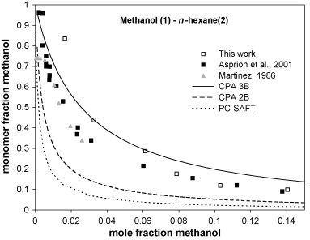
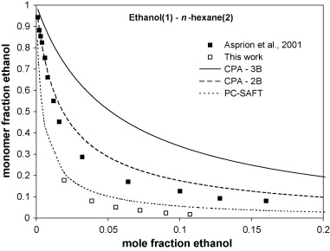

Fig. 6. Monomer fraction for 1-propanol with three association theories. Experimental data [1] (points), NRHB, CPA and sPC-SAFT predictions (lines). | Monomer fraction methanol as a function of overall mole fraction methanol in the mixture methanol–n-hexane. The experimental results from this work are at 23.3 °C, as are the predictions for simplified PC-SAFT and CPA. Martinez [7] data are at 30 °C and that of Asprion et al. [8] at 25.1 °C. There is reasonable agreement among the various sets of data. The CPA 2B and 3B results bracket the data while the simplified PC-SAFT results underestimate the monomer fraction. Pure component parameters and their sources are reported in Table 6 and Table 7. | Monomer fraction ethanol as a function of overall mole fraction ethanol in the mixture ethanol–n-hexane. The experimental results from this work are at 23.3 °C, as are the predictions for simplified PC-SAFT and CPA. Asprion et al. [8] data are at 298 K. In this case the CPA 2B scheme and PC-SAFT give results in best agreement with the data, although there is some disagreement between the two sets of data. Pure component parameters and their sources are reported in Table 6 and Table 7.

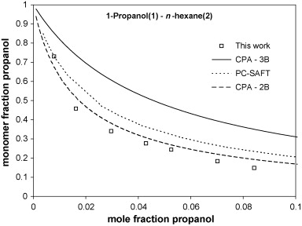
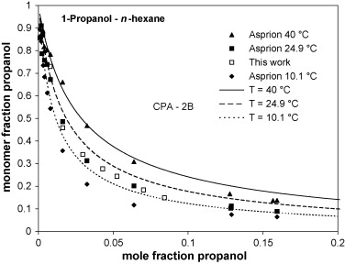
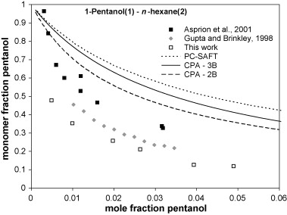

Monomer fraction 1-propanol as a function of overall mole fraction 1-propanol in the mixture 1-propanol–n-hexane. The experimental results are at 23.3 °C, as are the predictions for simplified PC-SAFT and CPA. The CPA 2B-scheme is in good agreement with the measured data. Pure component parameters and their sources are reported in Table 6 and Table 7. | Monomer fraction 1-propanol as a function of overall mole fraction 1-propanol in the mixture 1-propanol–n-hexane. The CPA (with 1-propanol as a 2B molecule) predictions are shown at the three temperatures for which Asprion et al. [8] obtained data (10.1, 24.9 and 40 °C). For comparison the data from Fig. 5 obtained in this work at 23.3 °C are also shown. The CPA predictions agree very well with the measured data, quantitatively predicting the effect of temperature. There is also good agreement between the data sets. Pure component parameters and their sources are reported in Table 6. | Monomer fraction 1-pentanol as a function of overall mole fraction 1-pentanol in the mixture 1-pentanol–n-hexane. The experimental results from this work are at 23.3 °C, as are the predictions for simplified PC-SAFT and CPA. Asprion et al. [8] data are at 25.1 °C and Gupta and Brinkley [9] data at 25 °C. There is some disagreement among the three data sets and all models overpredict the monomer fraction with the CPA 2B scheme performing best. Pure component parameters and their sources are reported in Table 6 and Table 7.

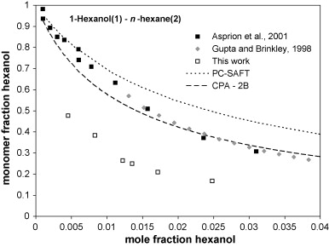
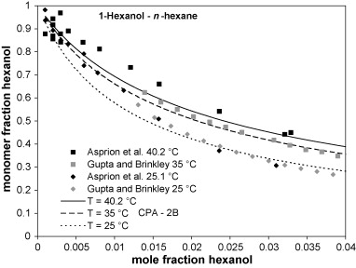
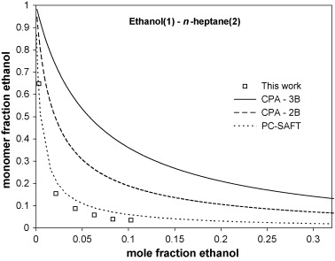

Monomer fraction 1-propanol as a function of overall mole fraction 1-propanol in the mixture 1-propanol–n-hexane. The experimental results are at 23.3 °C, as are the predictions for simplified PC-SAFT and CPA. The CPA 2B-scheme is in good agreement with the measured data. Pure component parameters and their sources are reported in Table 6 and Table 7. | Monomer fraction 1-hexanol as a function of overall mole fraction 1-hexanol in the mixture 1-hexanol–n-hexane. The results are shown for CPA with 1-hexanol as a 2B molecule at the temperatures for which Asprion et al. [8] (25.1 and 40.2 °C) and Gupta and Brinkley [9] (25 and 35 °C) obtained their experimental data. In general the agreement is good. There is some scatter in the data at low concentrations. Pure component parameters and their sources are reported in Table 6. | Monomer fraction ethanol as a function of overall mole fraction ethanol in the mixture ethanol–n-heptane. The experimental results from this work are at 23.3 °C, as are the predictions for simplified PC-SAFT and CPA. There is disagreement among the model predictions although simplified PC-SAFT is in closest agreement with the measured data. Pure component parameters and their sources are reported in Table 6 and Table 7.

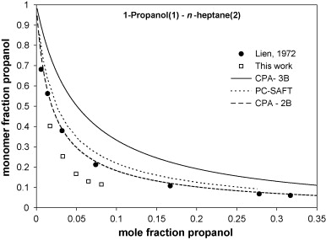
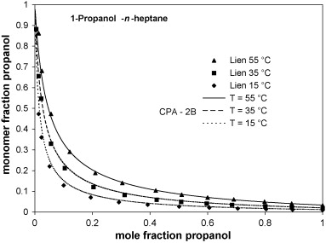

Monomer fraction 1-propanol as a function of overall mole fraction 1-propanol in the mixture 1-propanol–n-heptane. The experimental results from this work are at 23.3 °C, as are the predictions for simplified PC-SAFT and CPA. Lien [10] data are at 25 °C. There is reasonable agreement between the data sets, the CPA 2B scheme and the simplified PC-SAFT predictions. The agreement between the CPA 2B scheme and the Lien data is excellent. Pure component parameters and their sources are reported in Table 6 and Table 7). | Monomer fraction 1-propanol as a function of overall mole fraction 1-propanol in the mixture 1-propanol–n-heptane. The CPA (with 1-propanol as a 2B molecule) predictions are shown at three temperatures for which Lien [10] obtained data (15, 35 and 55 °C). The agreement between the CPA predictions and the measured data is excellent. The effect of temperature is also captured quantitatively. Pure component parameters and their sources are reported in Table 6.

BIN-1
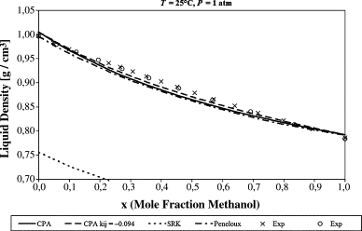

Fig. 7. Plot of liquid density at T = 25 °C, P = 1 atm for the water/methanol mixture. Points (×, ○) mark experimental points from Refs. [21] and [22]. The average percentage deviation over the whole composition range is 25.5% for SRK, 1.33% for SRK-Peneloux, 1.0% for CPA (kij = 0) and 0.59% for CPA (kij = −0.094). At 20 °C the results are very similar.

 | Comparison of the SRK and CPA equations of state for physical properties of water and methanol

Plan3
Figure 1 Partitioning of monoethylene glycol (MEG) between aqueous and organic phase at T = 323 K and P = 70 bar for the quaternary system: MEG−water−methylcyclohexane−methane. Points are the experimental data from Chen et al.43 (Modified from Derawi et al.31). Prediction indicates that all binary parameter sets are set to zero; otherwise, they are fitted to binary data. | Figure 6 Vapor−liquid equilibria (VLE) of the 1-butanol−hexane system at various temperatures, using a single temperature-independent interaction parameter. Experimental data from Rodriguez et al.,64 Heintz et al.,65 Berro et al.,66 and Gracia et al.67 | Figure 8 VLE for the methanol−butane system from 0 to 100 °C, including azeotropes. The interaction parameters per isotherm are shown in Table 6. Experimental data from Leu et al.53

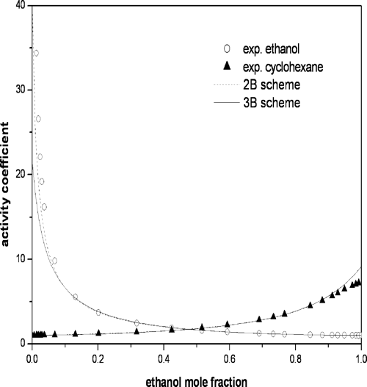

Figure 10 VLE calculations for the methanol−pentane system with a single temperature-independent interaction parameter value. Experimental data from Wilsak et al.54 | Figure 13 Performance of the physical term of CPA (i.e., repulsive and attractive term from the SRK part) in the calculation of the vapor pressure of pure ethanol, using the 2B association scheme (pure component parameters presented in Table 4) or the 3B association scheme (pure component parameters presented in Table 6). | Figure 14 Experimental and calculated activity coefficients for the binary system of ethanol−cyclohexane at 298.15 K, using the 2B and the 3B association scheme for ethanol. The infinite dilution activity coefficient of ethanol with the 2B association scheme is γ∞ = 41, whereas the value using the 3B scheme is almost half. Experimental data from Coto et al.59

Ten Years with the CPA (Cubic-Plus-Association) Equation of State. Part 1. Pure Compounds and Self-Associating Systems

Plan4
Figure 5 VLE calculations for the methanol−octanol system, using () CR1 and the 2B scheme with k12 = 0.0 or (− − −) ECR and the 3B scheme with k12 = −0.025. Experimental data are taken from Arce et al.19 | Figure 6 VLE and LLE for the butanol−water system, using the CR1 rule. Butanol is described with the 2B scheme. The interaction parameter k12 = −0.065 is optimized from LLE data. Experimental data are taken from DECHEMA21 and Hessel et al.22 | Figure 7 VLE for the acetic acid (1A)−water (4C) system at 313.15 K, using ECR and k12 = −0.222. Experimental data are taken from Lazeeva and Markuzin.22

Figure 8 VLE for the acetic acid (2B)−water (4C) system, using ECR at 353.15 K with k12 = −0.154. Experimental data are taken from Lazeeva and Markuzin,24 Vrevskii et al.,25 Arich and Tagliavini,26 and Acharya and Rao.27 | Figure 9 VLE for the methanol (2B)−acetic acid (1A) system at 308.15 K, using ECR and k12 = −0.04. Experimental data are taken from Wagner et al.28 | Figure 10 VLE for the butanol (2B)−acetic acid (1A) system at 308.15 K, using () ECR and (− − −) CR1; k12 = −0.06 in each case. Experimental data are taken from Apelblat et al.29

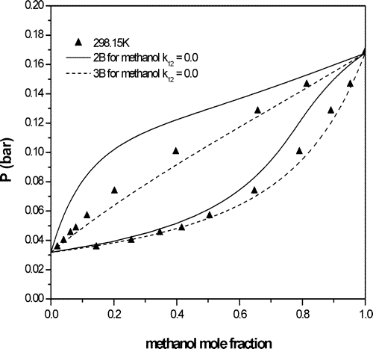
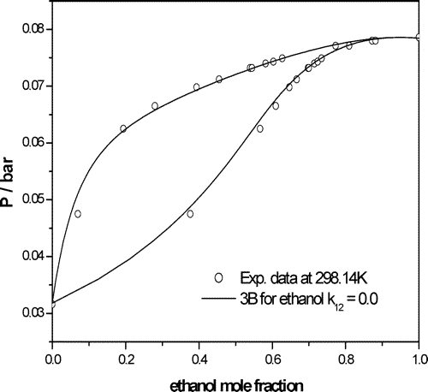
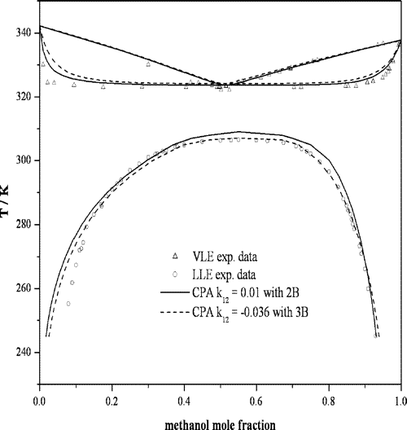

Figure 14 VLE prediction (k12 = 0) of the methanol−water system at 298.15 K with the 2B and 3B schemes and ECR. Experimental data are taken from Butler et al.45 | Figure 15 VLE prediction (k12 = 0) of the ethanol−water system at 298.14 K with the 3B scheme and ECR. Experimental data are taken from Phutela et al.48 | Figure 17 VLE and LLE for the methanol−hexane system, using the 2B and 3B schemes. Experimental data are taken from DECHEMA21 and Raal et al.42

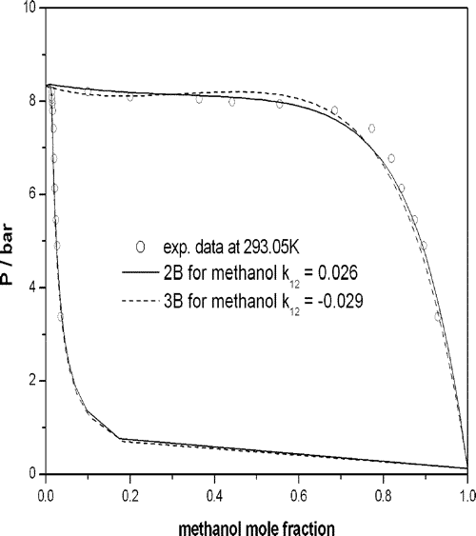
 | Ten Years with the CPA (Cubic-Plus-Association) Equation of State. Part 2. Cross-Associating and Multicomponent Systems

Figure 18 VLE correlation for the methanol−propane system at 293.05 K, using the 2B and 3B association schemes. Experimental data are taken from Yakoumis et al.43

Plan5
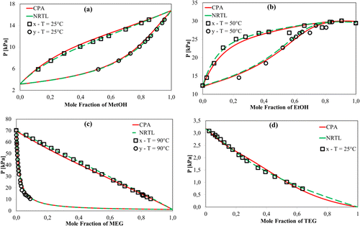
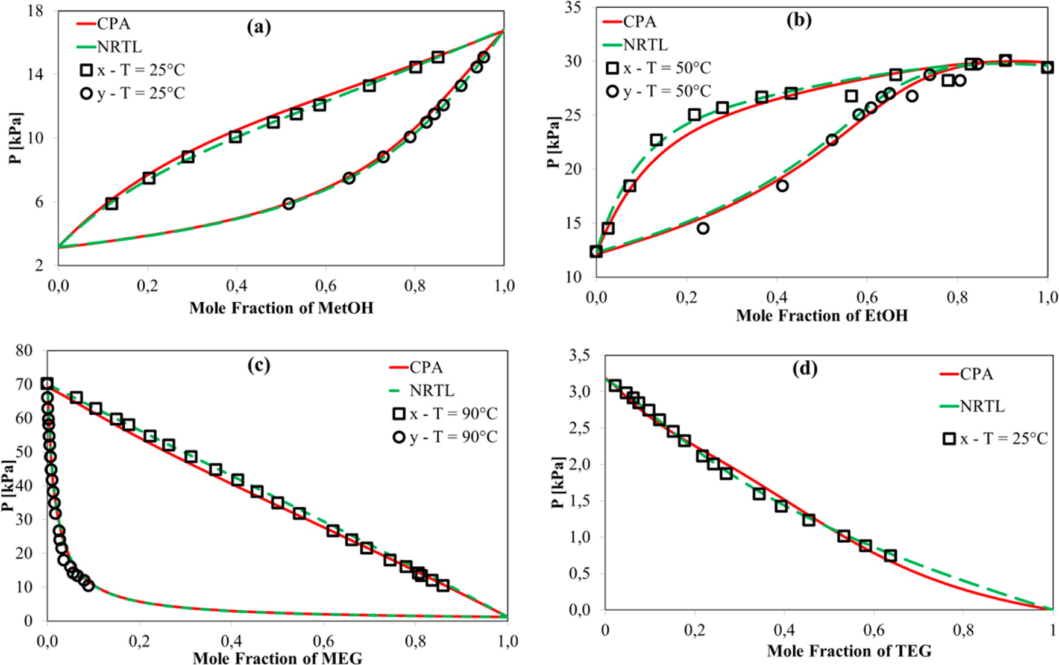
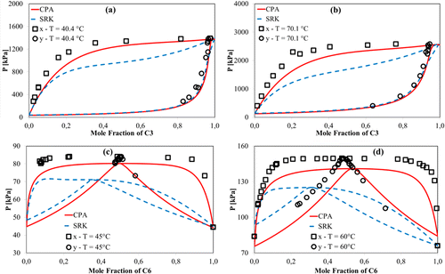
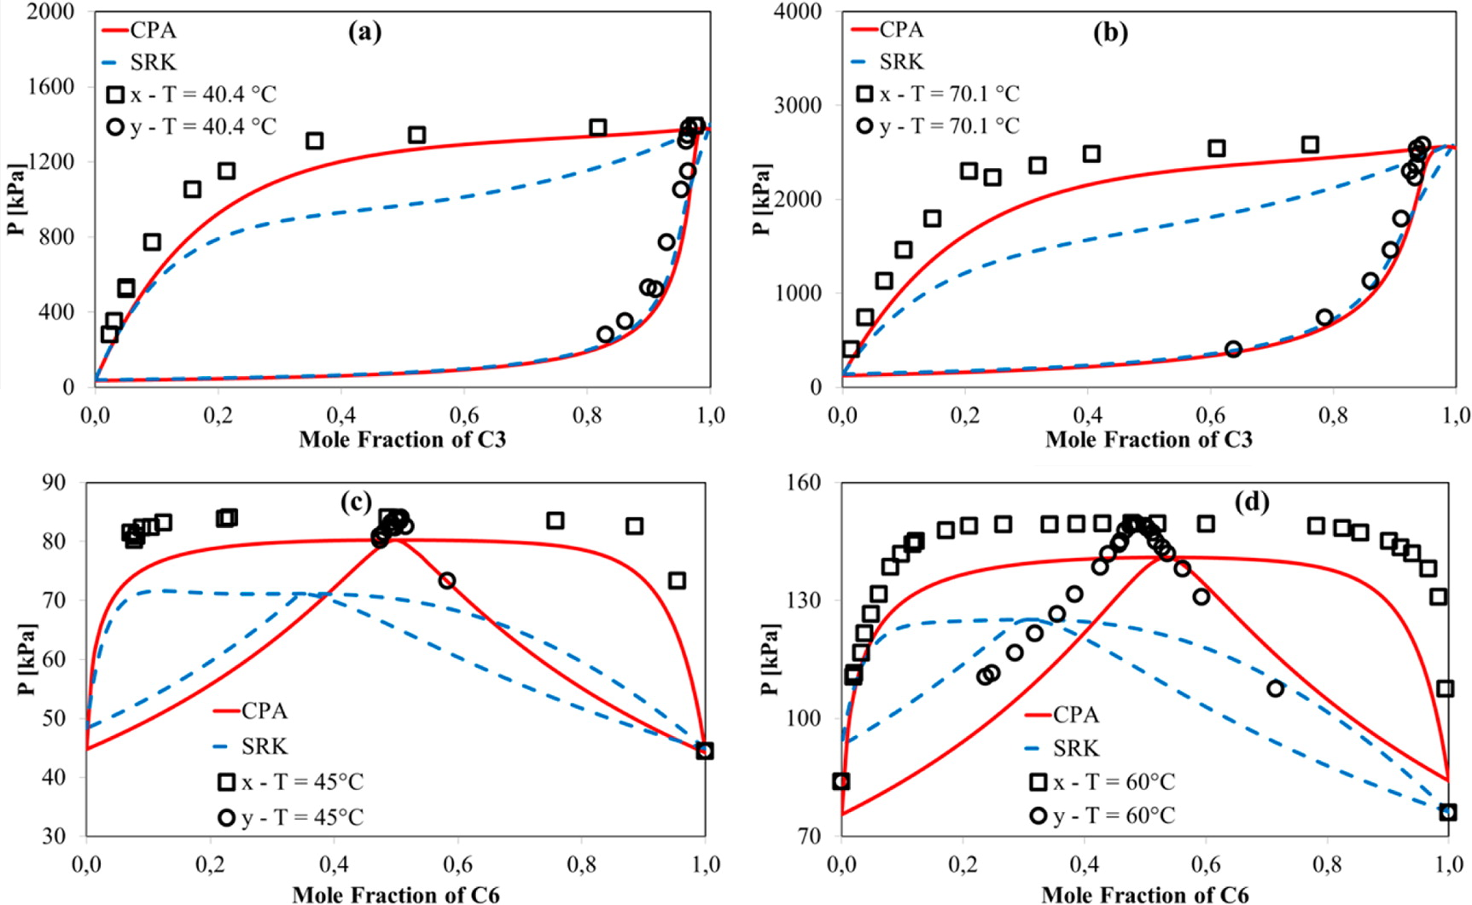

Figure 2. (a) Water–methanol; (b) water–ethanol; (c) water–MEG; (d) water–TEG VLE. CPA and NRTL calculations are performed using 100 points. Solid line, CPA; dashed line, NRTL. Experimental data are from Gmehling et al.,(22) Chiavone et al.,(23) and Tsuji et al.(24) | Figure 3. (a and b) Methanol–C3 and (c and d) methanol–C6 VLE. All calculations are performed with kij = 0. Solid line, CPA; dashed line, SRK. Experimental data are from Joung et al.(25) and Góral et al.(26)

 | Cubic Plus Association Equation of State for Flow Assurance Projects
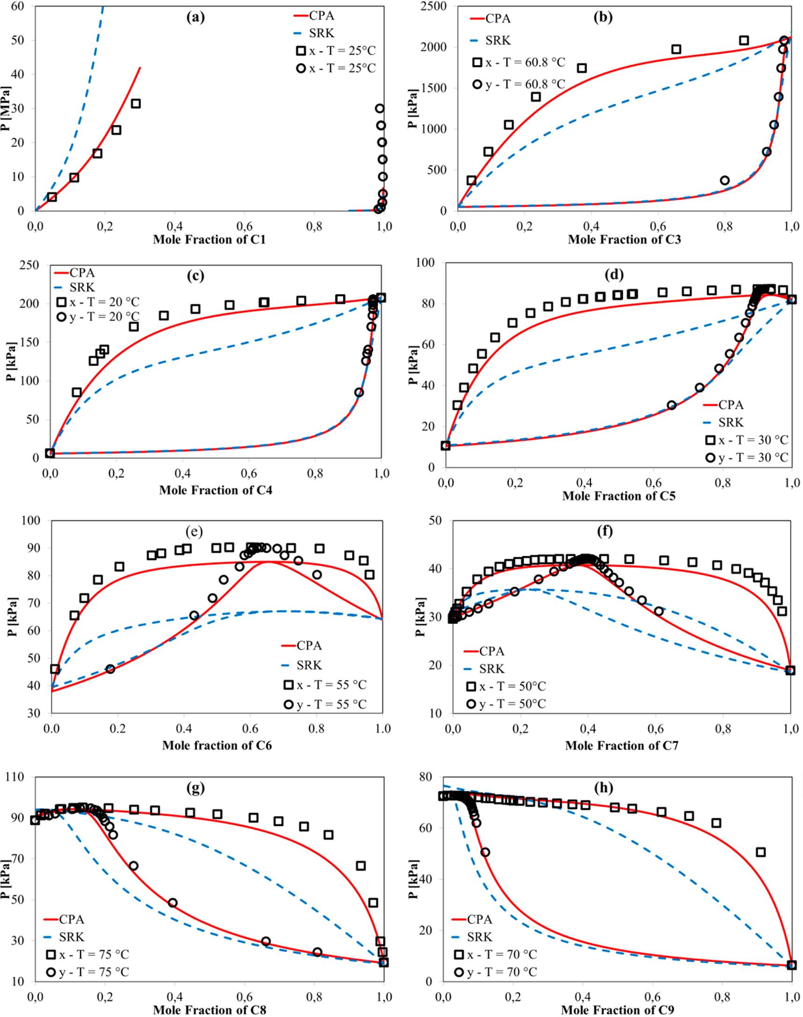

Figure 4. (a) Ethanol–C1; (b) ethanol–C3; (c) ethanol–C4; (d) ethanol–C5; (e) ethanol–C6; (f) ethanol–C7; (g) ethanol–C8; (h) ethanol–C9 VLE. All calculations are performed with kij = 0. Solid line, CPA; dashed line, SRK. Experimental data are from Brunner and Hültenschmidt,(27) Joung et al.,(25) Góral et al.,(26) Ho and Lu.(31)

Plan6
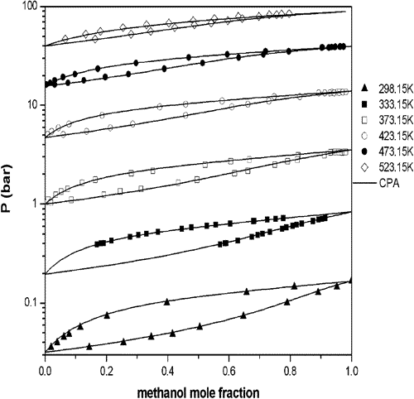
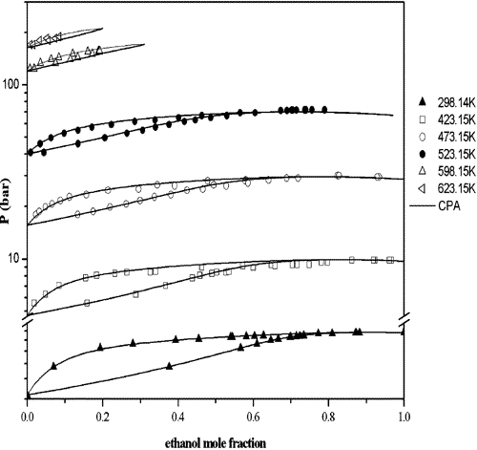
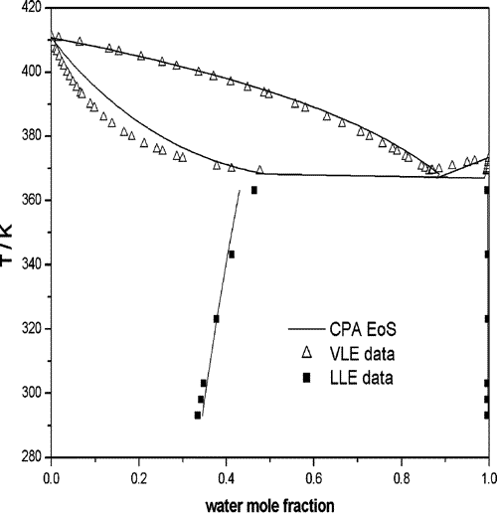

Figure 1 VLE for methanol−water with CPA and ECR using k12 = −0.09 at all temperatures | Figure 2 VLE for ethanol−water with CPA and ECR using k12 = −0.11 at all temperatures. | Figure 10 LLE correlation of 1-pentanol−water using CR-1 and k12 = −0.037 and prediction of the VLE of the system.

Application of the Cubic-Plus-Association (CPA) Equation of State to Cross-Associating Systems

Plan7
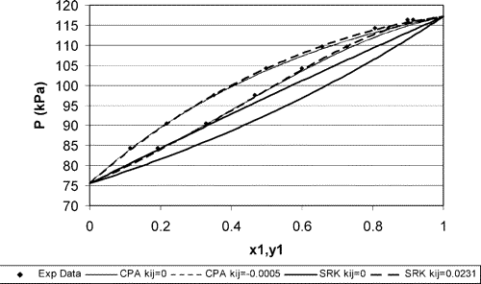
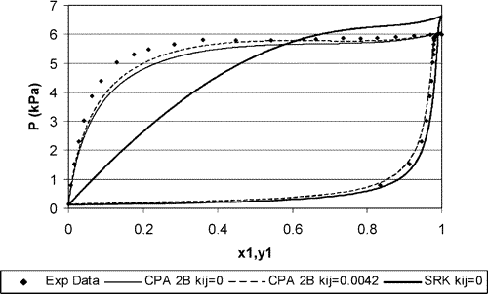
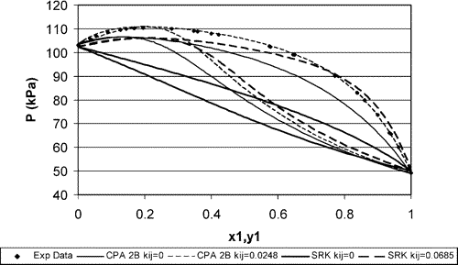

Figure 1 Correlation and prediction of VLE for diethylamine−hexane at 333.15 K using CPA and SRK. |  | Figure 2 Correlation and prediction of VLE for ethylamine−butane at 273.15 K using CPA and SRK. | Figure 3 Correlation and prediction of VLE for methylamine−hexane at 218.15 K using CPA and SRK.

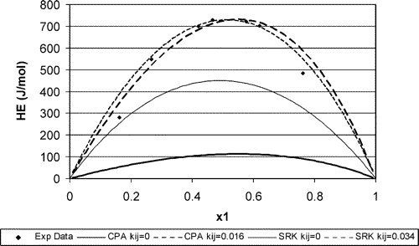
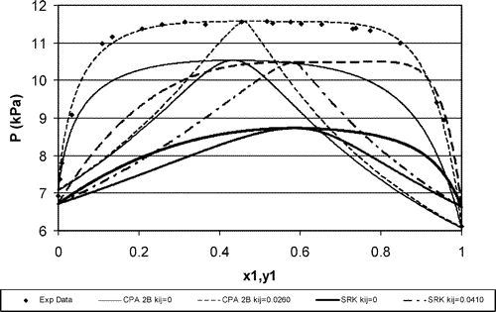
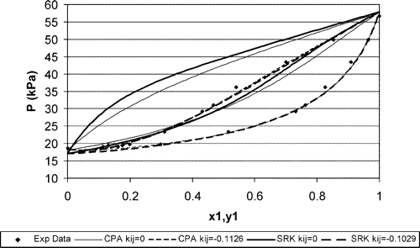

Figure 4 Correlation and prediction of VLE for methylamine−butane at 218.15 K using CPA and SRK. |  | Figure 5 Correlation and prediction of excess enthalpies of diethylamine−heptane at 298.15 K with CPA and SRK. | Figure 6 Correlation and prediction of VLE for diethylamine−ethanol at 313.15 K using CPA and SRK.

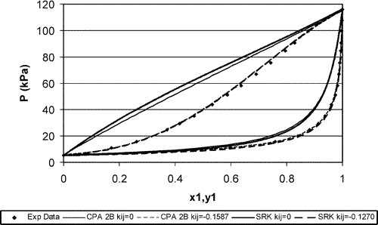

 | Extension of the Cubic-plus-Association (CPA) Equation of State to Amines

Figure 7 Correlation and prediction of VLE for ethylamine−ethanol at 293.15 K using CPA and SRK.

Plan8
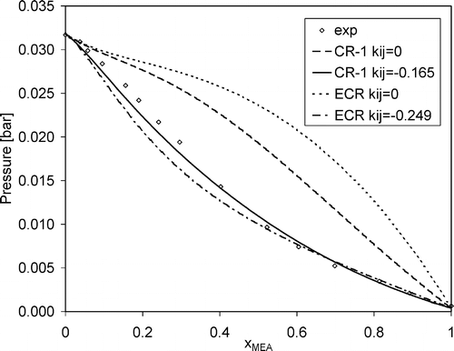

Figure 7. MEA (4C)−water VLE, at T = 298.15 K. (Experimental data from ref. 20.) | Figure 8. DEA−water VLE, at P = 0.0667 bar. Dashed line: prediction (kij = 0); solid line: fitted (kij = −0.087). (Experimental data from ref. 22.) | Figure 9. MDEA−water VLE, at P = 0.400 bar. Dashed line: prediction (kij = 0); solid line: fitted (kij = −0.087). (Experimental data from ref. 23.)

Modeling Systems Containing Alkanolamines with the CPA Equation of State

Plan9
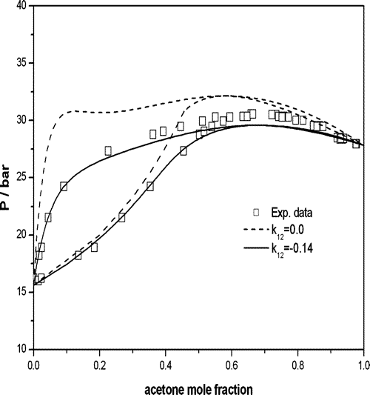

Figure 7 VLE prediction and correlation of acetone−pentane at 397.7 K when acetone is considered as an inert and self-associating compound. Experimental data from Campbell et al.31 | Figure 8 VLE prediction (k12 = 0.0) and correlation for acetone−water at 473.15 K with ECR and k12 = −0.14. Experimental data from Griswold et al.28 | Figure 9 VLE correlation of DME−CO2 at 308.65 K. Experimental data from Laursen et al.37

Application of the Cubic-Plus-Association Equation of State to Mixtures with Polar Chemicals and High Pressures

Plan10
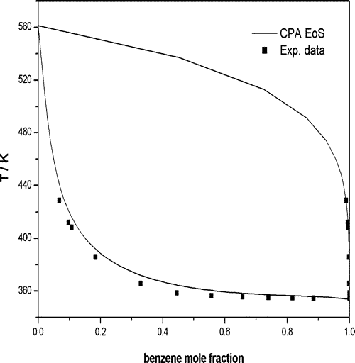

Figure 5 Txy diagram of methanol−benzene at 1 bar, using two association schemes (without solvation (only k12) and with solvation). Experimental data from Nagata.37 | Figure 6 P−x diagram of methanol−benzene at 313.15 K, using two association schemes (as in Figure 5). Experimental data from Oracz and Kolasinska.38 | Figure 16 VLE correlation for TEG−benzene when benzene is treated as an inert but cross-associating component (k12 = 0.028 and BETCR = 0.07). Experimental data from Gupta et al.46

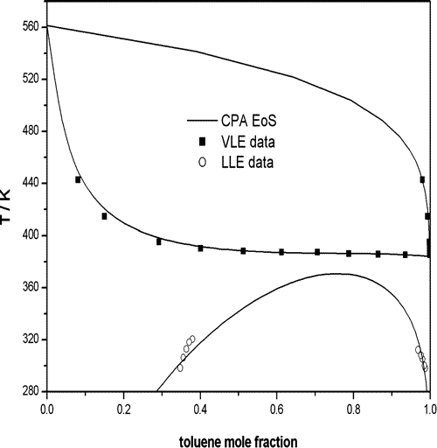

Figure 17 VLE and LLE correlation for TEG−toluene when toluene is treated as an inert but cross-associating component (k12 = 0.03 and BETCR = 0.031). Experimental data from Gupta et al.46 and Sørensen and Arlt.26

